Sheet1
 | Test cases ID | Test cases
Name
 | 1 | check that user can write down in the name field
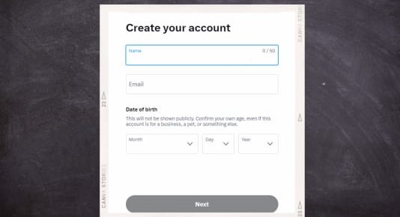
 | 2 | Verify that user name field can't be above 50 character
 | 3 | verify that user name can't be numbers only
 | 4 | verify that user name can't be special characters only
 | 5 | verify that user name can't be empty
 | 6 | verify that user name can't be space only
 | 7 | verfiy that user will be not able to mix between letters and numbers
 | 8 | verify that user can't mix between 2 different languagges
 | 9 | verify that user can't write less than 2 letters in the name field
 | 10 | verify that user can't put space before the name
 | 11 | verify that user can't put space at the end of the name
 | 12 | verify that user must fill in the first name field as it is a mandatory field to get access
 | 13 | Verify that when user click on the name field, the field color will have blue frame

Email
 | 1 | check that user can fill in the email field
 | 2 | verify that user must write correct domain in the email field
 | 3 | verify that user can't put space at the end of the email
 | 4 | verify that user can't put space at the begining of the email
 | 5 | verify that the email is not duplicated
 | 6 | verify that the email is already exist by sending link to his email
 | 7 | verify that the email field must contains @
 | 8 | verify that user can't mix between 2 languages
 | 9 | verify that user can't write numbers, special characters only
 | 10 | verify that user can't leave the email field empty
 | 11 | verify that user can't put space only on the email field
 | 12 | Verify that when user click on the email field, the field color will have blue frame

Date of birth
 | 1 | check that the month button is valid and data appears
 | 2 | check that the day button is valid and data appears
 | 3 | check that the year button is valid and data appears
 | 4 | verify that user's year of birth can't be from (2020 to 2024)
 | 5 | verify that user's date of birth is within the acceptable range
 | 6 | check that user fill in all mandatory fields with correct data
 | 7 | check that the NEXT button is not working whenever there is an empty field and the web page scrolls up to higlight the empty or wrong field
 | 8 | check that the Next button is working whenever user complete all fields
 | 9 | Verify that when user click on any button of the date of birth field, the field color will have blue frame
 | 10 | verify that user will not be able to register whenever there is any mandotary field empty
 | 11 | check that there is a red asterisk when user leaves any mandatory field empty

Sheet2
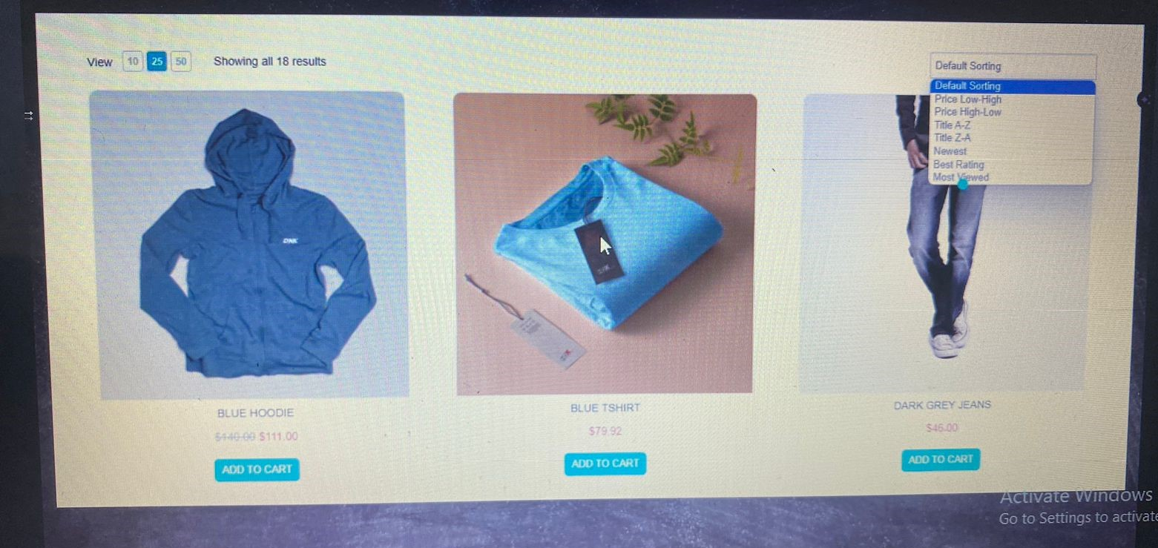
Test cases ID | Test cases
1 | Check that the items photo is correct with the items title
2 | Verify that the disscount is less than the original prices
3 | Verify that when user select add to cart button, same items appear in the cart
4 | Verify that the number of results equals to number of items appear
5 | Verify that all buttons in the page are clickable and working properly
6 | Verify that the items details in the page is the same in the cart
7 | Verify that when user uses one of the filter choices, items appear according to the chosen one
8 | Verify that items in the web page is not duplicated
9 | Verify that all items currency is the same
10 | Verify that the web page in one language
11 | Verify that the selected view number equals to the number of results showing

Sheet3
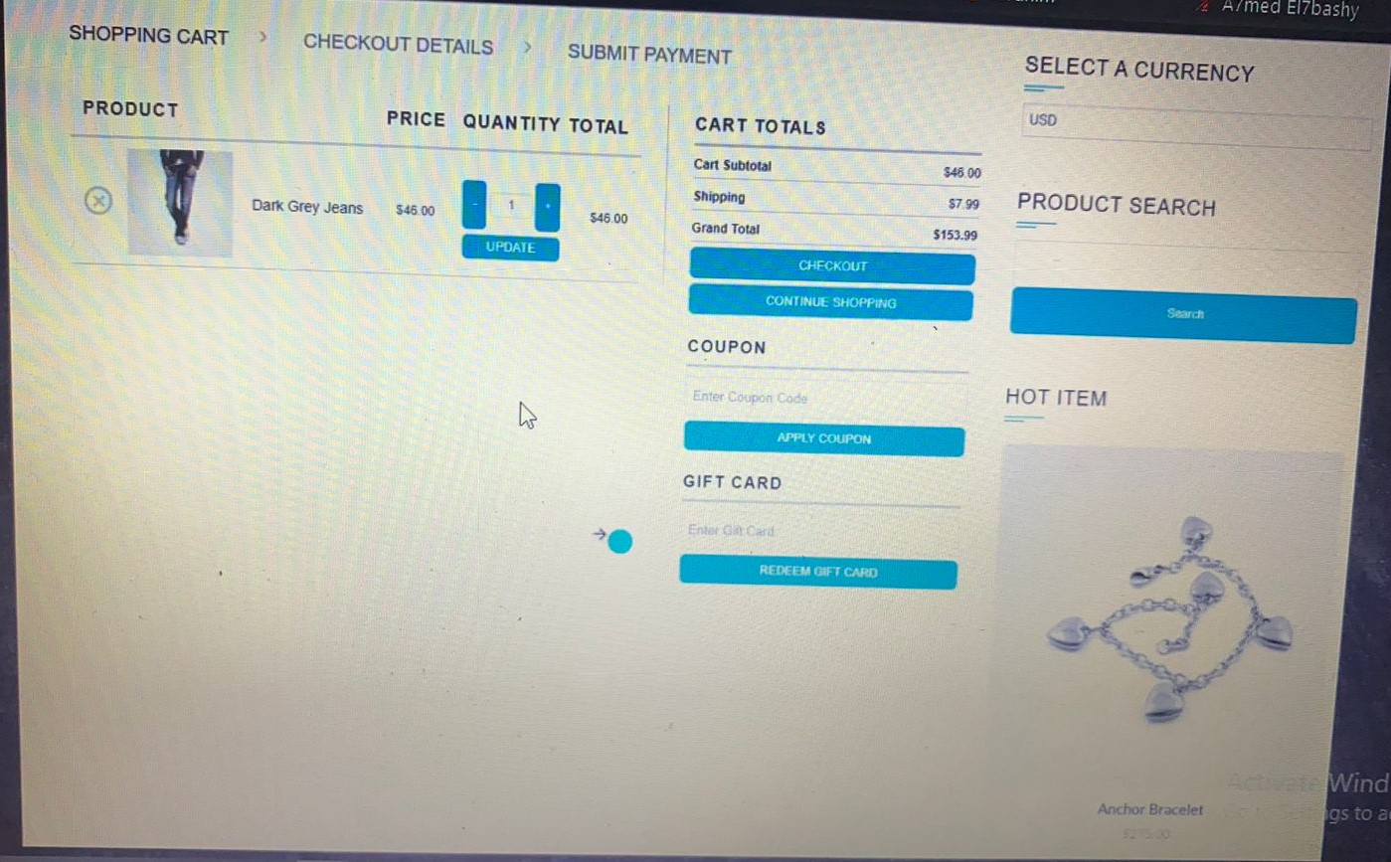
Test cases ID | Test cases
1 | verify that all buttons in the page are clickable and working properly
2 | check that the items photo is correct with the items title
3 | verify that the selected currency is the same items currency
4 | verify that there is no mix between two currency in the page
5 | verify that when user clicks on the cross mark, the item is removed
6 | verify that the total amount is correct according to (quantity X item piece price)
7 | verify that when user clicks on the minus botton, the quantity of the selected item is decreased
8 | verify that when user clicks on the plus botton, the quantity of the selected item is increased
9 | verify that the total price is increased or decreased properly according to the quantity changing
10 | verify that when user clicks updated button, the item quantity, prices will be updated
11 | verify that the total amount is bigger than the item price whenever the quantity is more than 1
12 | verify that the cart subtotal amount equals to the selected items amount
13 | verify that the grand total amount is correct according to the sum of cart subtotal and shipping
14 | verify that when user clicks on check out button, the payment information will appear
15 | verify that when user clicks on continue shopping button that will direct him back to the shopping page
16 | verify that the coupon code is valid
17 | verify that the coupon code is not expired
18 | verify that when user enter wrong copoun code and click apply coupon button, message will apper to the user that his own coupon code is not valid
19 | verify that the coupon code can't be space only
20 | verify that user can select any currency he wants
21 | verify that the most famous currencies are already exist in the select a currency button
22 | validate that the search fuctionality using different keywords
23 | validate that search results can be filtered with different ways
24 | validate that search suggestions will appear if available
25 | validate that when user click on the hot items, the item will be opened with bigger photo and more details

Sheet4
 | Bouns
Test cases ID | Test cases
1 | check the functionality of the first name field so user can write down in the field
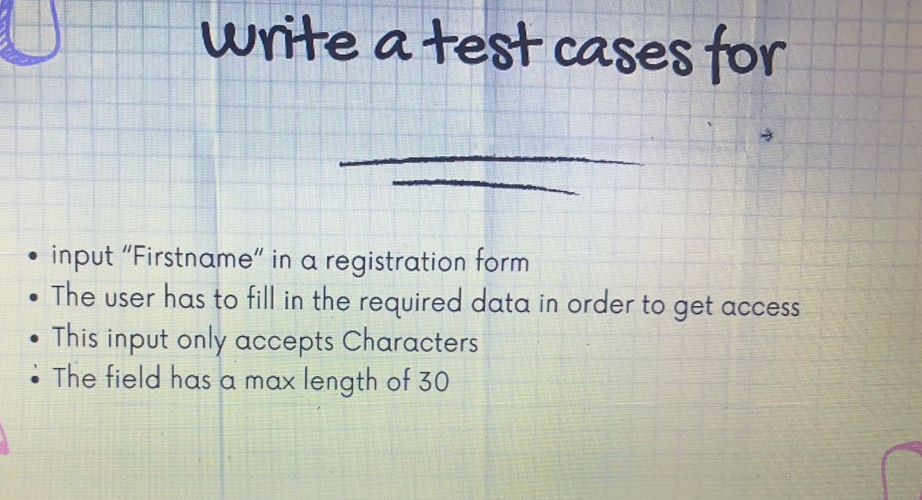
2 | Verify that user name field can't be above 30 character
3 | verify that user name can't be numbers only
4 | verify that user name doesn't contain any special characters
5 | verify that user name can't be empty
6 | verify that user name can't be space only
7 | verfiy that user will be able to mix between letters and numbers
8 | verify that user can't mix between 2 different languagges
9 | verify that user can't write less than 2 letters in the name field
10 | verify that user can't put space before the name
11 | verify that user can't put space at the end of the name
12 | verify that user can't resgister whenever the first name field is empty
13 | check that there is a red asterisk when user leaves the first name field empty
14 | Verify that when user click on the first name field, the field color will have blue frame
15 | Verify that when user writ down any wrong data, he will not be able to register

